Eleveld no opioid
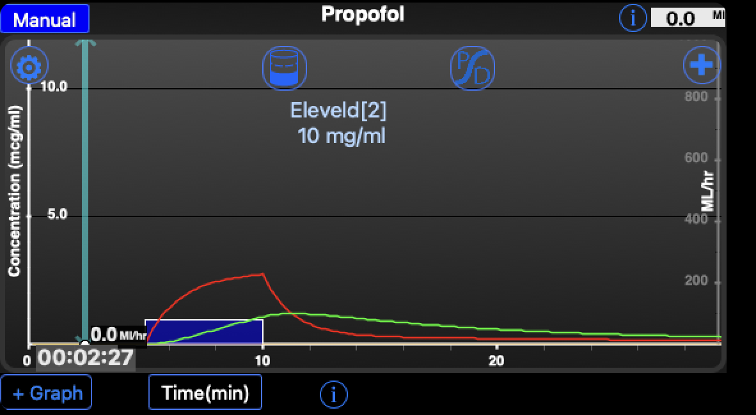
Table 1
 | Subject
Weight | 80
Age | 40
Length | 170
Male | TRUE
 | No opioid
V1 | 6.54535 |  | L
V2 | 26.95611 |  | L
V3 | 293.57958 |  | L
Cl | 1.97855 |  | L / min
Cl2 | 1.89826 |  | L / min
Cl3 | 1.17726 |  | L / min
Cell that have red text are for input
V1 | 6545.35211 |  | ml | V1 x 1000
K21 | 0.07042 |  | /min | Cl2 / V2
K31 | 0.00401 |  | /min | Cl3 / V3
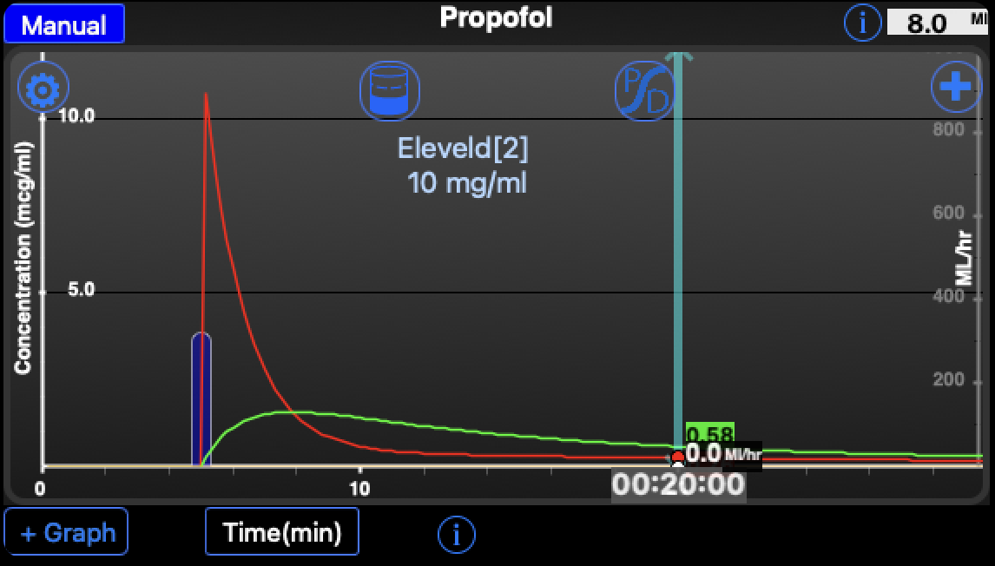
K10 | 0.30228 |  | /min | Cl / V1
K12 | 0.29002 |  | /min | CL2 / V10
K13 | 0.17986 |  | /min | Cl3 / V1

Time(sec) |  | Step(sec) |  | Bolus(mg) | Inf(mg/hr) | A1 | A2 | A3 | Time(min) | Concentration

0 |  | 5.0 |  |  | 0 | 0 | 0 | 0 | 0.00 | 0.00000
5 |  | 5.0 |  |  | 0 | 0 | 0 | 0 | 0.08 | 0.00000

0 | 0
0.083333 | 0

